Spending per pupil
States Ranked According to Per Pupil Public Elementary-Secondary School System Finance Amounts: States: 2012 - 2018

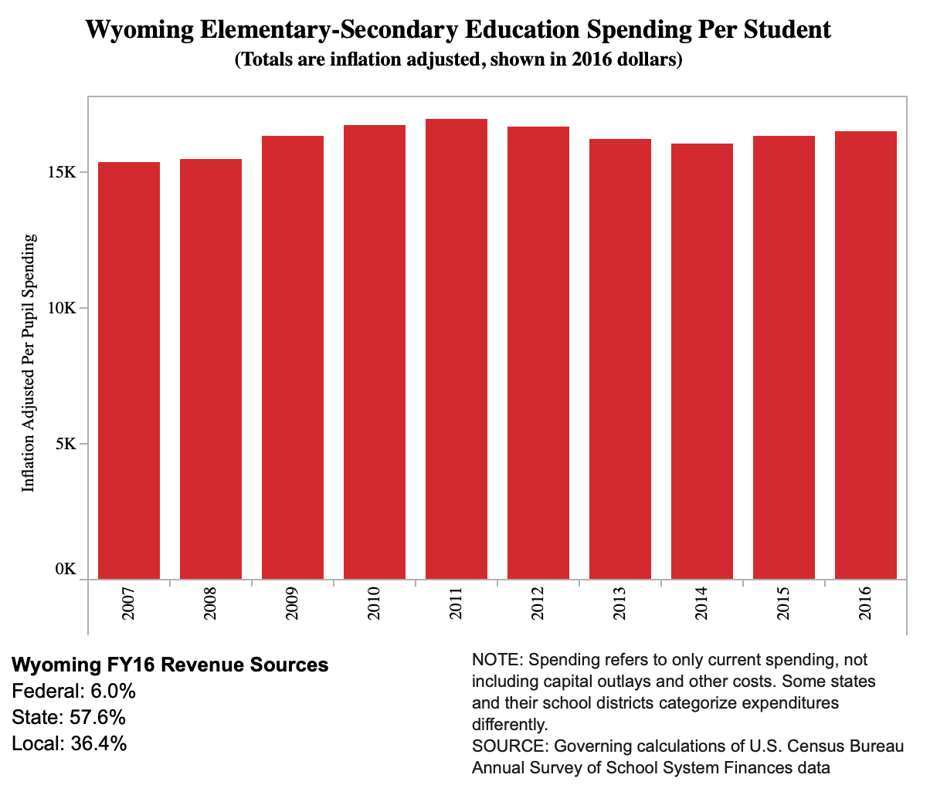
Aggregation | Elementary-secondary education school system current expenditures Total per pupil
Year | 2018
 |  |  |  | https://www.governing.com/gov-data/education-data/state-education-spending-per-pupil-data.html
Rank | State | 2018 | Rank | State | 2009 in 2016 dollars
1 | New York | 24040 | 1 | New York | 20278
2 | District of Columbia | 22759 | 2 | District of Columbia | 18356
3 | Connecticut | 20635 | 3 | New Jersey | 18203
4 | New Jersey | 20021 | 4 | Alaska | 17398
5 | Vermont | 19340 | 5 | Vermont | 16977
6 | Alaska | 17726 | 6 | Wyoming | 16303
7 | Massachusetts | 17058 | 7 | Connecticut | 16256
8 | New Hampshire | 16893 | 8 | Massachusetts | 15795
9 | Pennsylvania | 16395 | 9 | Rhode Island | 15334
10 | Wyoming | 16224 | 10 | Maryland | 15046
11 | Rhode Island | 16121 | 11 | Pennsylvania | 13997
12 | Illinois | 15741 | 12 | Hawaii | 13872
13 | Delaware | 15639 | 13 | Maine | 13765
14 | Hawaii | 15242 | 14 | Delaware | 13712
15 | Maryland | 14762 | 15 | New Hampshire | 13349
16 | Maine | 14145 | 16 | Minnesota | 12415
17 | North Dakota | 13758 | 17 | Wisconsin | 12394
18 | Ohio | 13027 | 18 | Virginia | 12227
19 | Washington | 12995 | 19 | Illinois | 12121
20 | Minnesota | 12975 | 20 | Ohio | 11814
21 | California | 12498 | 21 | Louisiana | 11783
22 | Nebraska | 12491 | 22 | Michigan | 11727
23 | Michigan | 12345 | 23 | West Virginia | 11598
24 | Wisconsin | 12285 | 24 | North Dakota | 11356
25 | Virginia | 12216 | 25 | Montana | 11253
26 | Oregon | 11920 | 26 | Nebraska | 11238
27 | Iowa | 11732 | 27 | Kansas | 11132
28 | Montana | 11680 | 28 | Oregon | 10969
29 | Kansas | 11653 | 29 | Iowa | 10859
30 | Louisiana | 11452 | 30 | California | 10804
31 | West Virginia | 11334 | 31 | Georgia | 10796
32 | Kentucky | 11110 | 32 | Washington | 10684
33 | South Carolina | 10856 | 33 | Missouri | 10661
34 | Georgia | 10810 | 34 | New Mexico | 10560
35 | Missouri | 10810 | 35 | Indiana | 10482
36 | Indiana | 10262 | 36 | South Carolina | 10379
37 | Colorado | 10202 | 37 | Alabama | 9923
38 | Arkansas | 10139 | 38 | Florida | 9800
39 | South Dakota | 10073 | 39 | Kentucky | 9795
40 | Alabama | 9696 | 40 | Colorado | 9754
41 | Texas | 9606 | 41 | Arkansas | 9746
42 | New Mexico | 9582 | 42 | North Carolina | 9607
43 | Tennessee | 9544 | 43 | Texas | 9554
44 | Nevada | 9417 | 44 | South Dakota | 9517
45 | North Carolina | 9377 | 45 | Nevada | 9422
46 | Florida | 9346 | 46 | Mississippi | 9033
47 | Mississippi | 8935 | 47 | Tennessee | 8835
48 | Arizona | 8239 | 48 | Oklahoma | 8821
49 | Oklahoma | 8239 | 49 | Arizona | 8741
50 | Idaho | 7771 | 50 | Idaho | 7934
51 | Utah | 7628 | 51 | Utah | 7111

 | GS00SS11
 | Public Sector
 | 2022
 | GOVSTIMESERIES
 | PUB Public Sector Annual Surveys Public Sector Annual Surveys
 | None
 | Download the entire table at https://api.census.gov/data/timeseries/govs

TABLE NOTES:
Release Date: 2020-06-30
Survey/Program: Census of Governments Year: 2017 Dataset:SS11 Table Name:States Ranked According to Per Pupil Public Elementary-Secondary School System Finance Amounts Table ID:GS00SS11 Release Date:05/21/2019 Release Schedule: Public elementary-secondary (PK-12) school system finance data is released in May on an annual basis. Revised prior year data is also released each May. Key Table Information: See Appendix B in the state-level tables files at: https://www.census.gov/programs-surveys/school-finances/data/tables.html for a description of state-specific reporting anomalies. Revenue from and payments to other school systems are excluded to avoid double counting. Expenditures for adult education, community services, and other nonelementary-secondary programs are also excluded. Some data appear under local sources for Hawaii's state-operated school system for consistency with data presented for all other school systems. Enrollments used to calculate per pupil amounts represent fall memberships collected by NCES on the CCD agency universe file - "Local Education Agency (School District) Universe Survey." Enrollments for state educational facilities, federal school systems, and charter schools whose charters are held by a nongovernmental entity have been excluded. Enrollments from the CCD agency universe file were subject to adjustment if the enrollments were inconsistent with the finances reported. Annual Survey of School System Finances statistics include the finances of charter schools whose charters are held directly by a government or a government agency. Charter schools whose charters are held by nongovernmental entities are deemed to be out of scope for the Annual Survey of School System Finances. Data Items and Other Identifying Records: Elementary-Secondary total revenue per pupil Elementary-Secondary total revenue per pupil - Ranking Elementary-Secondary total revenue from federal sources per pupil Elementary-Secondary total revenue from federa

COLUMN NOTES
Survey Component (SVY_COMP): | No Description Available
Survey Component (SVY_COMP_LABEL): | No Description Available
Geographic identifier code (GEO_ID): | Represents the geography shown for these data. The following geographic levels are shown for the 2012 Economic Census and related programs: United States. For the Economic Census, this represents data for the 50 states and the District of Columbia. For the Mining sector (NAICS 21) this also includes establishments physically located in the Atlantic, North Gulf of Mexico, and Pacific Offshore Areas. It excludes the 5 Island Areas (American Samoa, Guam, the Northern Mariana Islands, Puerto Rico, and the US Virgin Islands); these areas are published separately in the Economic Census of Island Areas. The GEO_ID for this records is: "01000US". States. Includes all 50 states and the District of Columbia. In addition, the Census Bureau also treats the island areas as state equivalents. The island areas include Puerto Rico, the Virgin Islands, Guam, The Northern Mariana Islands, and American Samoa. For the Mining sector, this geography level also includes Total Offshore Areas, as well as Atlantic, Northern Gulf of Mexico, and Pacific Offshore Areas as "pseudo-states." The syntax of GEO_ID for these records is: "04000US" plus the FIPS State code (ST). Counties or county equivalents. Counties are the primary divisions of States, except in Louisiana where they are called parishes and in Alaska where they are called boroughs and census areas. Maryland, Missouri, Nevada, and Virginia have one place or more that is independent of any county organization and constitutes primary divisions of their States. These places are treated as counties. The District of Columbia is also treated as a county-equivalent area. The Economic Census of Island Areas also has geographies treated as county equivalents for census purposes. These include Islands and Districts in American Samoa, Districts in Guam, Municipalities in the Northern Mariana Islands, Municipios in Puerto Rico, and Islands in the Virgin Islands. The syntax of GEO_ID for these records is: "05000US" plus the FIPS State code (
Geographic Area Name (NAME): | Represents the geography shown for these data. The following geographic levels are shown for the 2012 Economic Census and related programs: United States. For the Economic Census, this represents data for the 50 states and the District of Columbia. For the Mining sector (NAICS 21) this also includes establishments physically located in the Atlantic, North Gulf of Mexico, and Pacific Offshore Areas. It excludes the 5 Island Areas (American Samoa, Guam, the Northern Mariana Islands, Puerto Rico, and the US Virgin Islands); these areas are published separately in the Economic Census of Island Areas. The GEO_ID for this records is: "01000US". States. Includes all 50 states and the District of Columbia. In addition, the Census Bureau also treats the island areas as state equivalents. The island areas include Puerto Rico, the Virgin Islands, Guam, The Northern Mariana Islands, and American Samoa. For the Mining sector, this geography level also includes Total Offshore Areas, as well as Atlantic, Northern Gulf of Mexico, and Pacific Offshore Areas as "pseudo-states." The syntax of GEO_ID for these records is: "04000US" plus the FIPS State code (ST). Counties or county equivalents. Counties are the primary divisions of States, except in Louisiana where they are called parishes and in Alaska where they are called boroughs and census areas. Maryland, Missouri, Nevada, and Virginia have one place or more that is independent of any county organization and constitutes primary divisions of their States. These places are treated as counties. The District of Columbia is also treated as a county-equivalent area. The Economic Census of Island Areas also has geographies treated as county equivalents for census purposes. These include Islands and Districts in American Samoa, Districts in Guam, Municipalities in the Northern Mariana Islands, Municipios in Puerto Rico, and Islands in the Virgin Islands. The syntax of GEO_ID for these records is: "05000US" plus the FIPS State code (
...

